HD785-7 (6219-B0-0072) (1)
 | PT.SAPTA INDRA SEJATI
 | REBUILD CENTER

 |  | DELIVERY | MACHINE MODEL | HD785-7 | ENGINE PART NO. |  |  | DOCUMENT NO.
 |  | INSPECTION SHEET | ENGINE MODEL | SAA12V140E-3 | JOB ORDER NO. |  |  | PUBL. DATE | 7-Sep-10
ENGINE |  |  | ENGINE NO. |  | DELIVERY DATE |  |  | REVISION NO. | 01
 |  |  | CUSTOMER NAME |  |  |  |  | PAGE | 1 OF 3

: GOOD CONDITION
X : BAD CONDITION ⊗ : NONE
BELOW ARE THE ITEMS RELATED TO DELIVERY INSPECTION AND WHILE YOU DOING THIS INSPECTION JOB, PLEASE REFERRING
TO THE REMANUFACTURED COMPONENTS - STANDARD CONFIGURATION.

Left Side View
SKETCH DRAWING OR PHOTOES |  |  |  |  | NO. | ITEM |  |  | INSPECTION CONDITION
 |  |  |  |  | 1 | Painting (Y/B)
 |  |  |  |  | 2 | Tube Air Intake Connection LH
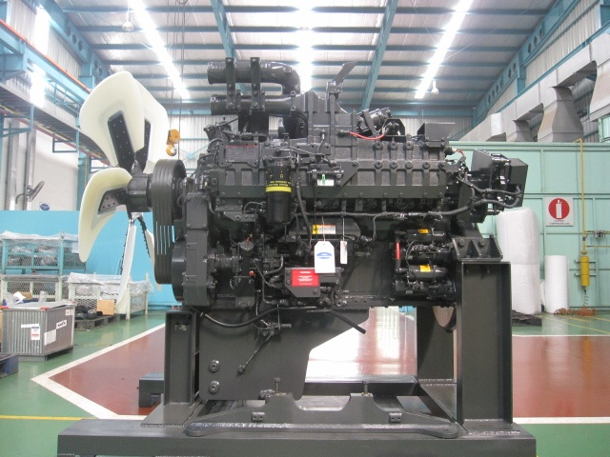
2
30
29
26
 |  |  |  |  | 3 | Air Connector LH
3
28
27
 |  |  |  |  | 4 | Fuel Filter Assy LH
25
 |  |  |  |  | 5 | Engine Name Plate
5
4
24
23
6
22
7
21
 |  |  |  |  | 6 | Tube, Breather With Hose LH
 |  |  |  |  | 7 | Fuel Supply Pump Assy LH (P/N : 6219-71-1110)
 |  |  |  |  |  | S/N :
8
20
 |  |  |  |  | 8 | Tube Oil Filler Cap
9
 |  |  |  |  | 9 | Gauge Oil (STD : H+ 0~10 mm)
19
 |  |  |  |  |  | Act : H +………………..mm
10
11
15
17
18
 |  |  |  |  | 10 | Engine Stand ( Original / Std )
12
 |  |  |  |  |  | Stand No :
13
14
 |  |  |  |  | 11 | Oil Level Sensor Assy
16
 |  |  |  |  | 12 | Drain Oil Plug
 |  |  |  |  | 13 | Priming Pump Assy With Cover LH
 |  |  |  |  | 14 | Warning Sticker Oil Level
 |  |  |  |  | 15 | Bracket Mounting
 |  |  |  |  | 16 | Quality passed Inspection Tag
 |  |  |  |  | 17 | Caution Tag
 |  |  |  |  | 18 | Oil Temperature Sensor
 |  |  |  |  | 19 | Oil Pressure Sensor
Rear Side View
31
 |  |  |  |  | 20 | Starting Motor Assy (7.5 KW) (P/N : 600-813-7542)
 |  |  |  |  |  | Upper S/N :
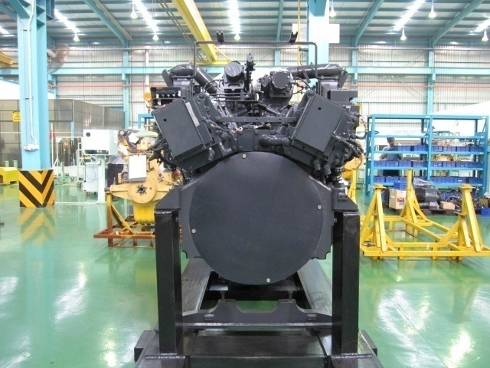
41
 |  |  |  |  |  | Lower S/N :
32
40
 |  |  |  |  | 21 | Fuel Pressure Sensor With Limiter Assy LH
33
 |  |  |  |  | 22 | Common Rail Assy
34
39
 |  |  |  |  | 23 | Boost Pressure Sensor
35
 |  |  |  |  | 24 | Intake Temperature Sensor
36
 |  |  |  |  | 25 | Air Intake Manifold LH
38
 |  |  |  |  | 26 | Exhaust Temperature Sensor (4 pcs) With Bracket
 |  |  |  |  | 27 | Customer Responsibilities Sticker
 |  |  |  |  | 28 | Heater Switch Assy With Cover LH
 |  |  |  |  | 29 | Exhaust Brake Assy LH
 |  |  |  |  | 30 | Bracket Exhaust Brake Mounting
 |  |  |  |  | 31 | Turbocharger Assy RH | P/N : 6505-67-5030
37
 |  |  |  |  |  |  | S/N :
 |  |  |  |  |  | Turbocharger Assy LH | P/N : 6505-67-5040
 |  |  |  |  |  |  | S/N :
 |  |  |  |  | 32 | Heat Tab position
 |  |  |  |  | 33 | Engine Controller Assy LH
 |  |  |  |  |  | S/N : | ESN :
 |  |  |  |  |  | P/N Assy :
 |  |  |  |  | 34 | Caution Flywheel Sticker
 |  |  |  |  | 35 | Pick Up Revolution Sensor
 |  |  |  |  | 36 | Flywheel Housing
 |  |  |  |  | 37 | Rear Bracket Mounting (2 pcs)
 |  |  |  |  | 38 | Flywheel (P/N : 6219-31-4110)
 |  |  |  |  | 39 | Engine Controller Assy RH
 |  |  |  |  |  | S/N : | ESN :
 |  |  |  |  |  | P/N Assy :
 |  |  |  |  | 40 | Stiker Attention Installation Report
 |  |  |  |  | 41 | Exhaust Manifold Assy RH & LH

Notes :

HD785-7 (6219-B0-0072) (2)
 |  | PT.SAPTA INDRA SEJATI
 |  | REBUILD CENTER

 |  |  | DELIVERY | MACHINE MODEL | HD785-7 | ENGINE PART NO. |  | DOCUMENT NO.
 |  |  | INSPECTION SHEET | ENGINE MODEL | SAA12V140E-3 | JOB ORDER NO. |  | PUBL. DATE | 7-Sep-10
ENGINE |  |  |  | ENGINE NO. |  | DELIVERY DATE |  | REVISION NO. | 01
 |  |  |  | CUSTOMER NAME |  |  |  | PAGE | 2 OF 3

: GOOD CONDITION
X : BAD CONDITION ⊗ : NONE
BELOW ARE THE ITEMS RELATED TO DELIVERY INSPECTION AND WHILE YOU DOING THIS INSPECTION JOB, PLEASE REFERRING
TO THE REMANUFACTURED COMPONENTS - STANDARD CONFIGURATION.

Right Side View
42
60
SKETCH DRAWING OR PHOTOES |  |  |  |  |  | NO. | ITEM |  | INSPECTION CONDITION
 |  |  |  |  |  | 42 | Air Connector RH
 |  |  |  |  |  | 43 | Exhaust Brake Assy RH
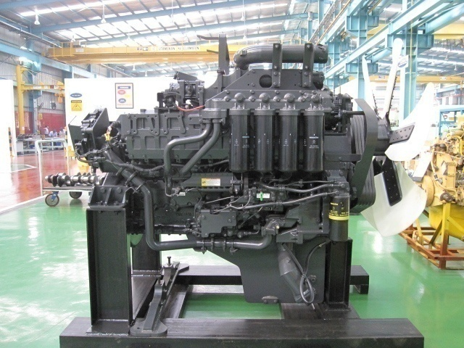
44
43
 |  |  |  |  |  | 44 | Heater Switch Assy With Cover RH
45
59
 |  |  |  |  |  | 45 | Air Intake Manifold RH
 |  |  |  |  |  | 46 | Oil Cooler Assy
58
 |  |  |  |  |  | 47 | Tube Cooling System Piping
46
57
 |  |  |  |  |  | 48 | Fuel Pressure Sensor With Limiter Assy RH
 |  |  |  |  |  | 49 | Common Rail Assy
56
 |  |  |  |  |  | 50 | Priming Pump Assy With Cover RH
47
55
 |  |  |  |  |  | 51 | Fuel Supply Pump Assy RH (P/N : 6219-71-1120)
 |  |  |  |  |  |  | S/N :
 |  |  |  |  |  | 52 | Oil Pan
48
49
54
 |  |  |  |  |  | 53 | Water Inlet Cover Plate
50
51
53
 |  |  |  |  |  | 54 | Water Pump Assy
 |  |  |  |  |  | 55 | Fuel Filter Assy
52
 |  |  |  |  |  | 56 | Cover Safety Guard Alternator
 |  |  |  |  |  | 57 | Tube, Breather With Hose RH
Front Side View
 |  |  |  |  |  | 58 | Oil Filter Assy
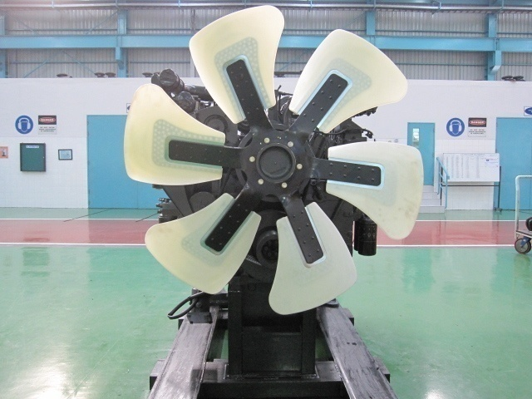
78
 |  |  |  |  |  | 59 | Alternator Assy (90A) (P/N : 600-825-9330)
62
77
 |  |  |  |  |  |  | S/N :
63
 |  |  |  |  |  | 60 | Tube Air Intake Connection RH
64
76
 |  |  |  |  |  | 62 | Plate Front Hanger
75
 |  |  |  |  |  | 63 | Fan Drive With Pulley Assy
65
74
 |  |  |  |  |  | 64 | Block Fuel Return With Sensor Assy RH & LH
66
73
 |  |  |  |  |  | 65 | V-Belt Alternator
 |  |  |  |  |  | 66 | Alternator Drive Pulley
67
72
 |  |  |  |  |  | 67 | Tension Pulley Assy
71
 |  |  |  |  |  | 68 | Vibration Damper Assy (P/N : 6215-31-8200)
68
70
 |  |  |  |  |  | 69 | Front Support
69
 |  |  |  |  |  | 70 | Crank Pulley Assy
 |  |  |  |  |  | 71 | Pointer
 |  |  |  |  |  | 72 | Yoke
 |  |  |  |  |  | 73 | V-Belt Fan Set
 |  |  |  |  |  | 74 | Blowbay Sensor Assy
 |  |  |  |  |  | 75 | Water Temperature Sensor
 |  |  |  |  |  | 76 | Thermostat Housing
 |  |  |  |  |  | 77 | Tube Water Outlet (2 pcs)
 |  |  |  |  |  | 78 | Cooling Fan
 |  |  |  |  |  | 79 | RFID Tag, Traceability mounting bolt
 |  |  |  |  |  | 80 | Masking condition
 |  |  |  |  |  | 81 | Check Mounting Bolt (Rear Bracket & Front Support)
 |  |  |  |  |  |  | Std Tightening Torque : 25 kgm

Notes :

 | Inspected by, |  |  |  |  |  |  | Aproved by,

HD785-7 (6219-B0-0072) (3)
PT. SAPTAINDRA SEJATI

ORIGINAL | MACHINE MODEL | HD785-7 | ENGINE PART NO. |  | DOCUMENT NO. |  | QR35-QA-EA-013-01
PHOTOGRAPH | ENGINE MODEL | SAA12V140E-3 | JOB ORDER NO. |  | PUBL. DATE |  | 7-Sep-10
DELIVERY | ENGINE NO. |  | DELIVERY DATE |  | REVISION NO. |  | 01
ENGINE | CUSTOMER NAME |  |  |  | PAGE |  | 3 OF 3

BELOW ARE THE ORIGINAL ENGINE PHOTOGRAPH BEFORE WE EXPORT AND WHILE YOU DOING THIS TAKING PHOTOGRAPH,PLEASE
REFERRING TO THE REMANUFACTURED COMPONENTS - STANDARD CONFIGURATION.

PHOTOGRAPH
LEFT SIDE |  |  |  | FRONT SIDE
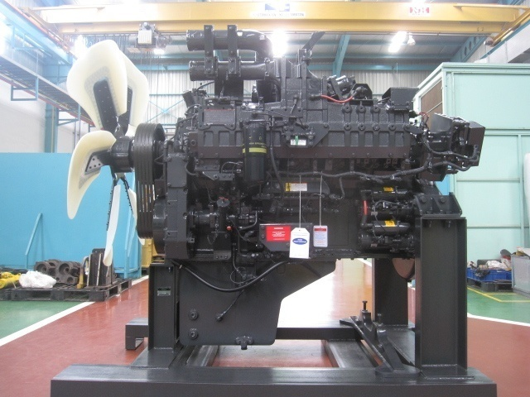 |  |  |  | 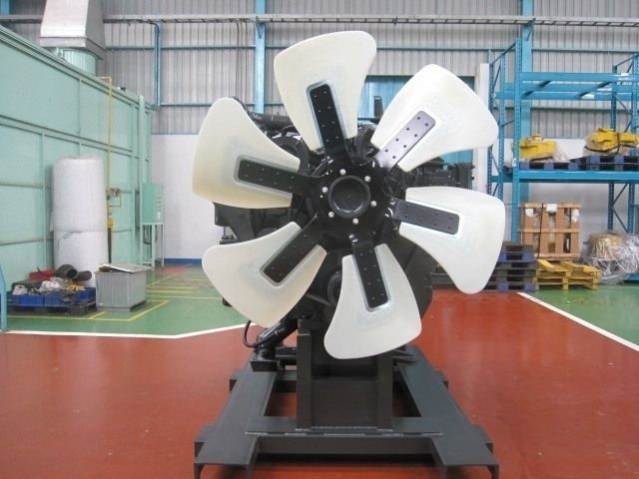

REMARK : |  |  |  | REMARK :

RIGHT SIDE |  |  |  | REAR SIDE
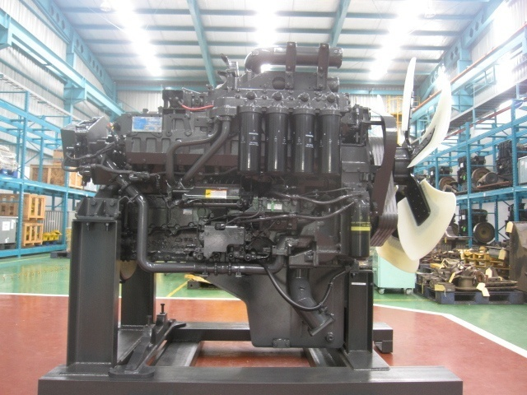 |  |  |  | 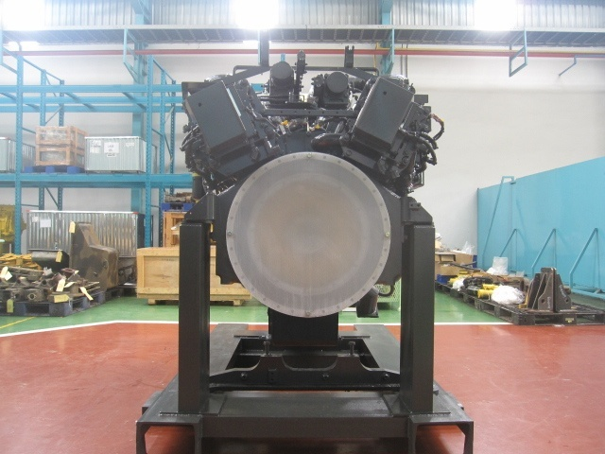

REMARK : |  |  |  | REMARK :

Notes :

 |  |  |  |  |  | Photograph & Inspection by,

